1. Title Page
[Instacart Grocery Basket Analysis ]

Project Name: Instacart Grocery Basket Analysis
Date: May 27, 2023
Analyst Name: Malvika Mall

Contents:
Population Flow
Wrangling steps
Column derivations
Visualizations
Recommendations

Data Citation:
Customer data, as well as the "prices" data, were both fabricated for the purpose of this project.
"The Instacart Online Grocery Shopping Dataset 2017", Accessed from http://www.instacart.com/datasets/grocery-shopping-2017 on [date].

2. Population Flow
Title page

Population flow

Exclusion flag
Condition: max_order < 5
Obervations to be removed: 14,10,846 Observations
Final total count of order_products_all: 30,350,431

Orders_products_combined
Orders_products_merged
Orders_products_all

Total: 32434489
Total: 32404859
Total: 32404859

1.) The grey boxes in the first row of the population flow represent the original data sets as they were when you downloaded them. In the Total fields you need to add the count of the rows when you imported the data set into Jupyter.
2.) The second row of boxes (coloured) represents the data sets after you manipulated them, e.g., removed missing values and duplicates. In the Total fields you need to add the count of the rows after conducting these operations. This offers a visual oveview of how the data flows throughout the data consistency checks.
3.) The third row, where also the arrows are coloured, represents the merges you performed between the datasets. In the Total fields you need to add the count of the rows in the merged datasets, so that you end up with the final dataset (in the red box). Keep in mind the final dataset should be without exclusions (based on the exclusion flag).

3. Consistency checks
 |  |  |  | Title page
Consistency checks

Dataset | Missing values | Missing values treatment | Duplicates
orders | 206209 missing values in 'days since prior order' | No change. These mark the first order 1 associated with value indicates a new customer | No Duplicates
products | 16 in 'product_name' | dropped from column | 5 duplicates dropped
orders_products_prior | No missing values |  | No Duplicates
customers | No missing values |  | No Duplicates
instacart_data_all | 11 in 'median_order_freq' | Calculated field - replaced with correct values
instacart_data_all | 11 in 'order_freq_flag' | Calculated field - replaced with correct values

4. Wrangling steps
 |  |  |  | Title page
Wrangling steps

Columns dropped | Columns renamed | Columns' type changed | Comment/Reason
orders.eval_set |  |  | Data not relevant to analysis.
 | orders_dow to 'orders_day_of_week |  | Column name renamed to be more descriptive.
 |  | order.order_id to str | It is a unique identifier and does not need to be an integer.
 |  | order.user_id to str | It is a unique identifier and does not need to be an integer.
"First Name" from customers.csv |  |  | Not needed in the analysis, and these would case PII issues.
"Surnam" from customers.csv |  |  | Not needed in the analysis, and these would case PII issues.
 | "Gender" from orders.csv |  | Changed to "gender" to keep the uniform lowercase convention used throughout this project
 | "STATE" from orders.csv |  | Changed to "state" for uniformity
 | "Age" from orders.csv |  | Changed to "age" for uniformity
 | "n_dependants" from orders.csv |  | Changed to "number_of_dependants" for clarity
 | "fam_status" from orders.csv |  | Changed to "marital_status" for clarity

5. Column derivations
 |  |  |  |  | Title page

Column derivations and aggregations

In this tab you should add tables below that the frequences of flags/label variables that you produced after deriving them. NB: don't do this for continuous variables, only for flags.
Dataset | New column | Column/s it was derived from | Conditions | Frequency
products | price_range_loc | price | price <= 5 : 'Low range product', price > 5 and <= 15 : 'Mid range product', price > 15: 'High range product' | Mid-range product: 756450 Low-range product: 243550
orders | busiest_day | orders_day_of_the_week | orders_day_of_the_week 0 = 'Busiest day', 4 = 'Least busy', else: 'Regular day | Regularly busy: 21975156 Busiest day: 6075164 Least busy: 3710957
orders | busiest_period | orders_day_of_the_week | orders_day_of_the_week 0 or 1 = 'Busiest days', 4 or 3 = 'Least busy days ', else: 'Regularly busy' | Regularly busy day: 12658048 Busiest days: 11625533 Least busy days: 7477696
ords_prods_merged | busiest_period_of_day | order_hour_of_day | value >= 10 & <= 16 : 'Most orders', value <6 = 'Average orders', else: 'Fewest orders' | Most orders: 20696776 Average orders: 9800535 Fewest orders: 1263966
ords_prods_merged | mean_price | user_id', 'prices' | Dataframe grouped by 'user_id' and transformed by mean of 'prices' | -
ords_prods_merged | spender_flag | mean_price | mean_spending < 10 : 'Low spender' igh-spender, else Low-spender | Low Spender: 31705481 High Spender: 55796
ords_prods_merged | loyalty_flag | max_orders | max_orders > 40 = 'Loyal customer', 40 >= max_order > 10 : 'Regular customer', else: 'New customer' | Regular customer: 15553342 Loyal customer: 10093365 New customer: 6114570
ords_prods_merged | median_days | user_id, days_since_prior_order | Dataframe grouped by 'user_id' and transformed by median of 'days_since_prior_order' | -
ords_prods_merged | frequency_flag | median_days | >20: 'Non-frequent customer', <= 20 & >10: 'Regular customer', <=10: 'Loyal customer' | Frequent customer: 21141387 Regular customer: 7057103 Non-frequent customer: 3562787
instacart_data_all | region | state | according to us census regions | South: 10576677 West: 8128368 Midwest: 7446537 Northeast: 5609695
instacart_data_all - df_reg_customers (low activity customers excluded) | age_group | age | age < 40 = Young Adult, 40 - 64 = Middle-Aged, 65 >= senior | Middle-Aged: 11863888 Senior: 8032143 Young Adult : 10454400
instacart_data_all - df_reg_customers (low activity customers excluded) | income_group | income | income < 75000 : '0-75k', income 75000 to < 150000 : '075-150k', income >= 150000: '150k+' | 0-75k: 9729901 075-150k: 16808605 150k+: 3811925
instacart_data_all - df_reg_customers (low activity customers excluded) | marital_status | number_dependants | number_dependants = 0: 'Has dependants', number_dependants >= 1 'Has dependants' | Has dependants: 22761689 No dependants: 7588742
instacart_data_all - df_reg_customers (low activity customers excluded) | meal_preference | department id | Vegetarian' = no orders from department 12, 'Vegan' = 'no orders from departhemts 12 and 16', else: 'Non-Vegetarian | Vegan: 597841 Vegetarian: 433356 Non-Vegetarian: 29319234

6. Visualizations
 |  | Title page

Visualisations

In this tab you should include all the visualtions from Exercises 4.9 and 4.10, alongside the questions from the project brief that they answer. Include any commentary on the relationship between different variables.

Question: What days and times have the most orders? | Answers

 | This bar chart shows days of the week week on the x-axis and the number of orders on the y-axis. Days of the week are numbered as: 0=Saturday 1=Sunday 2=Monday 3=Tuesday 4=Wednesday 5=Thursday 6=Friday Clearly, the busiest day is Saturday, followed closely by Sunday. Wednesday is the least busy day of the week.


 | This histogram shows the hour of the day on the x-axis and the number of orders on the y-axis. The chart illustrates that the busiest time of day for placing orders is between 9am and 5pm, with the peak occurring at 10am and 11am (though orders remain elevated through the late morning and early afternoon).

Question: Are there particular times of the day when people spend the most money?

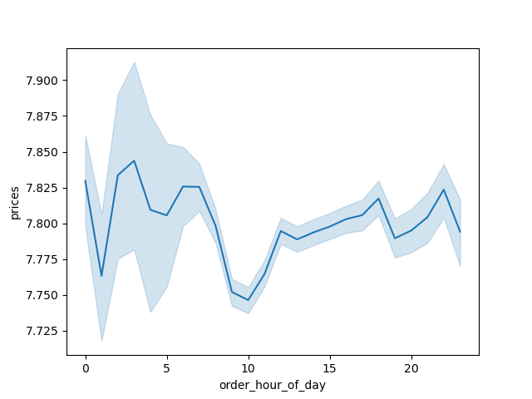

 | The x-axis of this Line chart displays the hour of the day, while the y-axis represents the average price of items purchased during each respective hour. Throughout the day, customers exhibit a consistent pricing pattern when making their purchases, indicating that there are no specific time periods when cheaper items are typically bought. However, there is a slight decrease in spending observed from approximately 8am to 11am. Nonetheless, the overall variation in price is relatively small, with only a 10 cent decrease from the highest to the lowest point.

Question: What's the distribution among users in regards to brand loyalty?

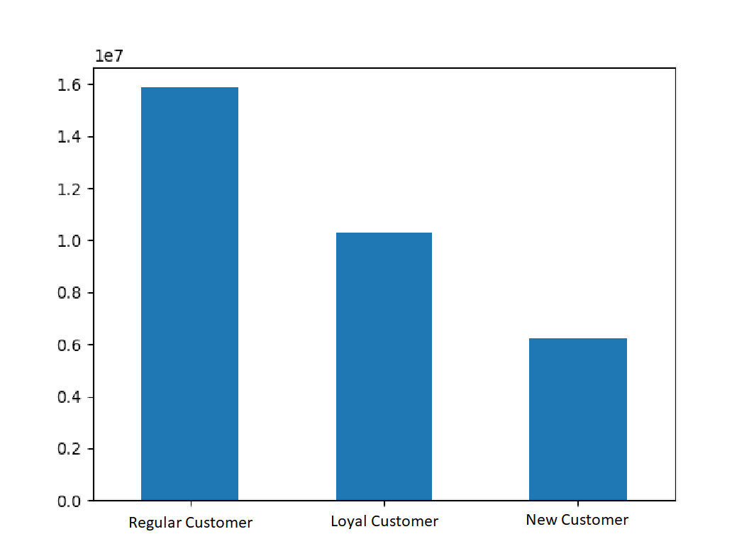
 | The depicted chart illustrates the distribution of customers across three distinct categories: Loyal customers: These are individuals who have made more than 40 orders. Regular customers: This category comprises customers who have placed between 10 and 40 orders. New customers: This group includes customers who have made 10 or fewer orders.
 | The data reveals that Instacart customers display a noteworthy level of loyalty. Approximately half of the Instacart customer base falls within the "Regular customer" category, while around one-third of customers are classified as "Loyal customers."

Question: Are there differences in ordering habits based on a customer's loyalty status?
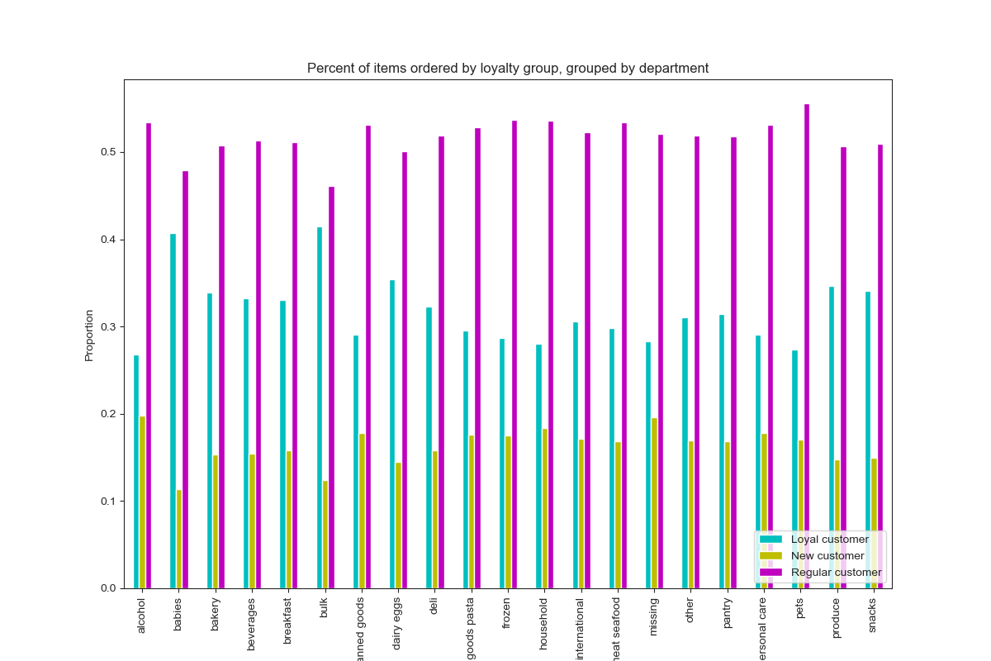

 | The chart visualizes the proportion of items ordered by different loyalty groups, grouped by department. The loyalty groups are categorized as "Loyal customers," "Regular customers," and "New customers." Each department is represented on the x-axis of the chart.

 | By analyzing the heights of the bars, we can identify if any particular Regular Customers dominate the item orders in certain departments and are the primary contributors to item orders in those departments.
 | Top 10 Most frequently ordered departments are: Produce Dairy & Eggs Snacks Beverages Frozen Pantry Bakery Canned Goods Deli Dry Goods & Pasta

Question: Are there differences in ordering habits based on a customer's region?

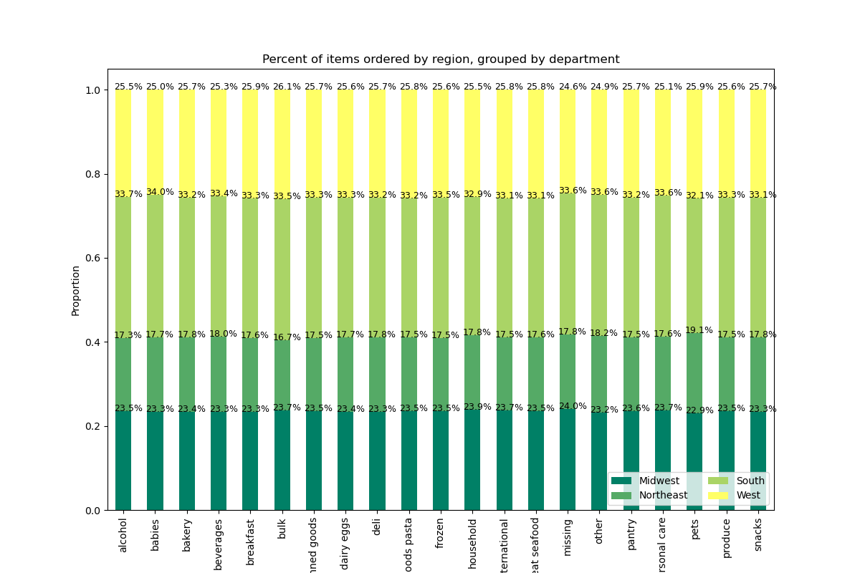
The Stacked bar Chart below clearly illustrates that South and Midwest region are more frequent buyers across all departments. Whereas, Northeast Region frequency is lowest. | This Stacked bar Chart for order frequency percentahge by Region illustratres:
 | - Each region varies in its composition of Frequent/Regular/Non-frequent customers. -The West has the highest percentage of Frequent customers -The Northeast has the highest percentage of Regular Customers. - Midwest has the largest percentage of Non-frequent customers.

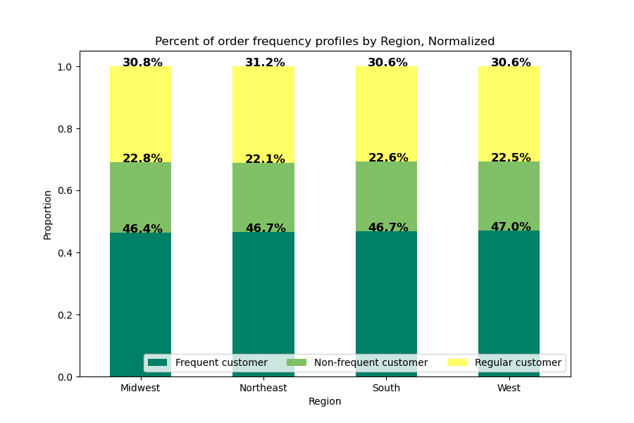

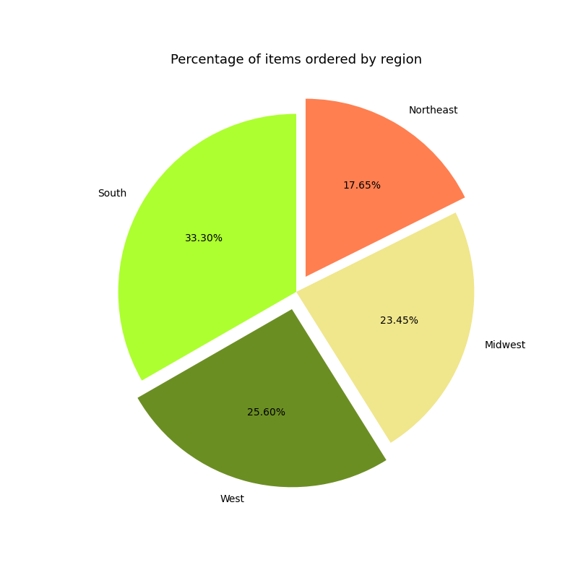

Pie Chart of Percentage items orderd by Region:
-South & West comprises almost 60% of Total orders.
-Northeast region on the other hand is the lowest contributor.

Question: Is there a connection between the age of Instacart customers and the number of dependents they have?


The chart displays the age of Instacart customers along with the corresponding count of dependents they have. Interestingly, the distribution of dependents appears to be consistent across different age groups. There is no noticeable trend or significant variation observed.
While it is commonly assumed that grocery expenditure tends to increase as the number of dependents rises, this chart suggests that the number of dependents does not strongly correlate with age. In other words, the age of customers does not seem to have a significant impact on the number of dependents they have.
This information can be valuable as it indicates that understanding a customer's age alone may not provide a reliable estimate of their grocery expenditure based on the number of dependents they have.

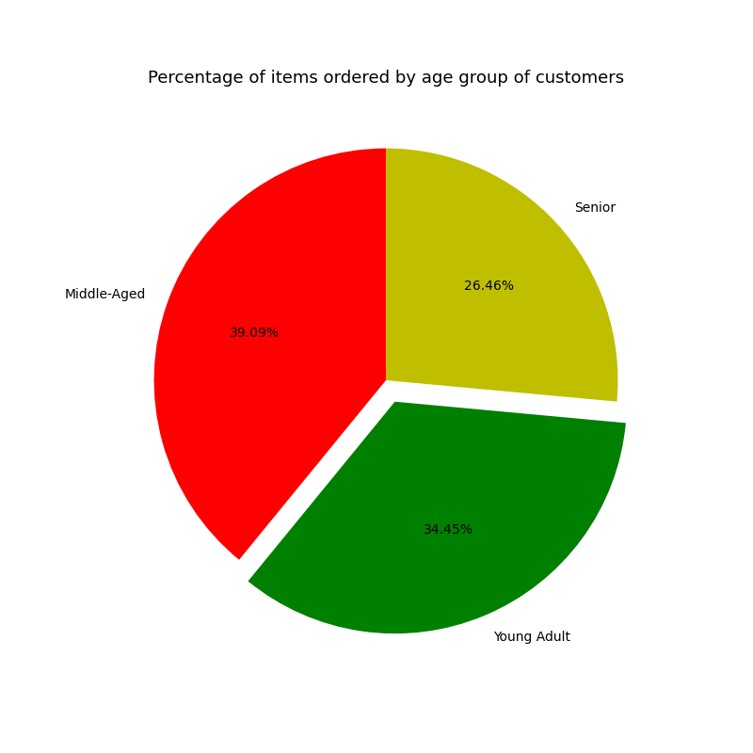
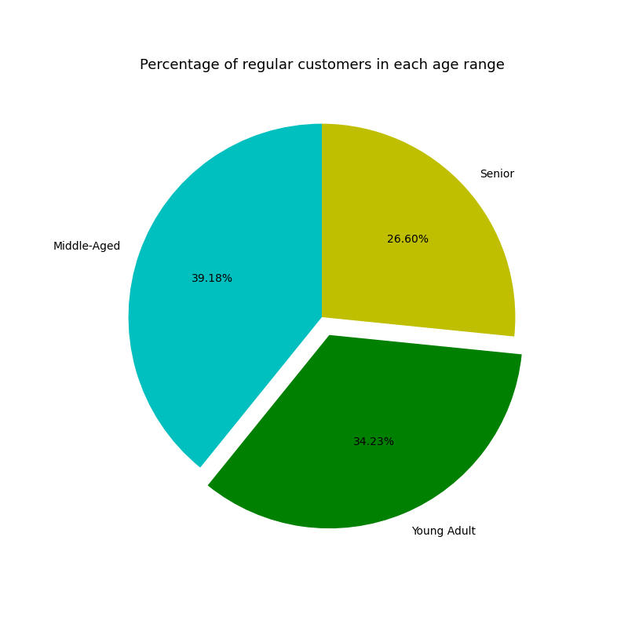

Pie chart of products bought by Instacart customers by age group.
-No age group orders items more thatn 0.2% out of proportion with their percentage of the customer population.
- Differences in department purchases by age groups are likely to be small.

Pie chart of Instacart customers by age group.
Young Adult and Middle-aged are Regular Buyers and comprises 3/4th of Total Customers.

Question: What different classifications does the demographic information suggest? Age? Income? Certain types of goods? Family status?
Question: What differences can you find in ordering habits of different customer profiles?

The Answer to both these questions can be analysed jointly by way of below charts:
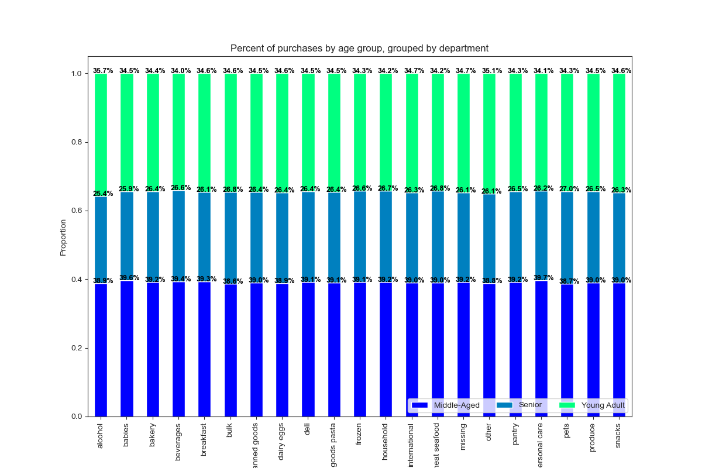

Stacked Bar Chart of Purchases by age group & department.
Young Adult and Middle-aged are Regular Buyers and comprises 3/4th of Total Customers.
Pie Chart on the right supports the hypothesis.

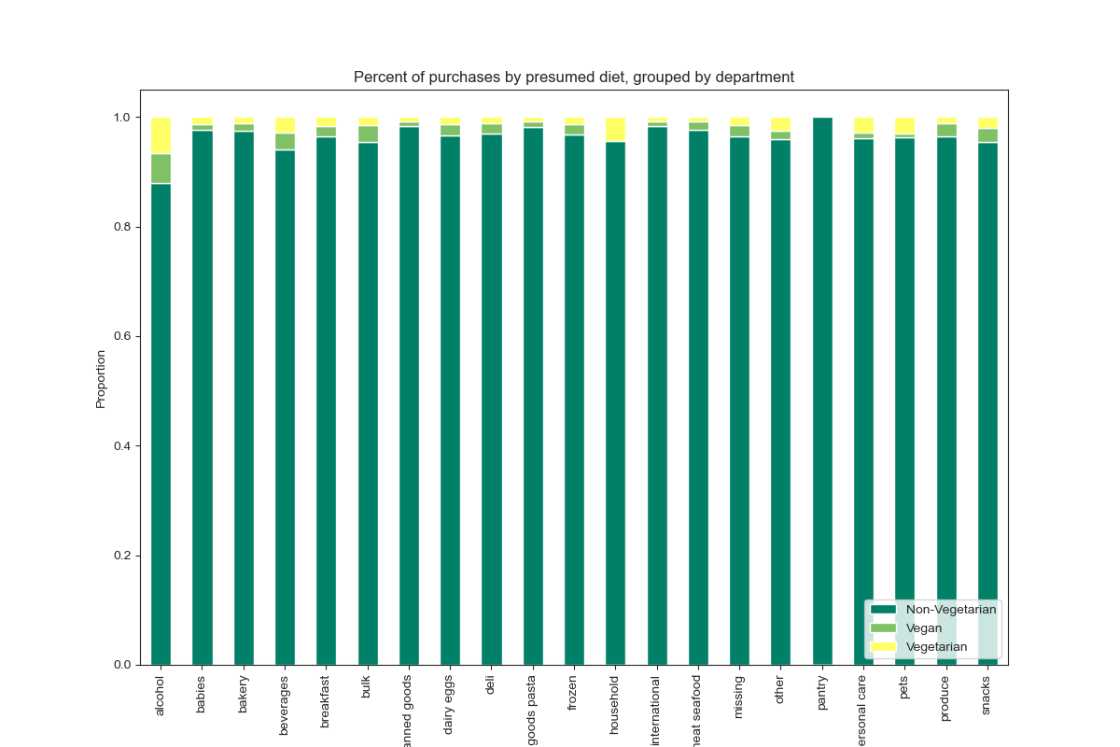

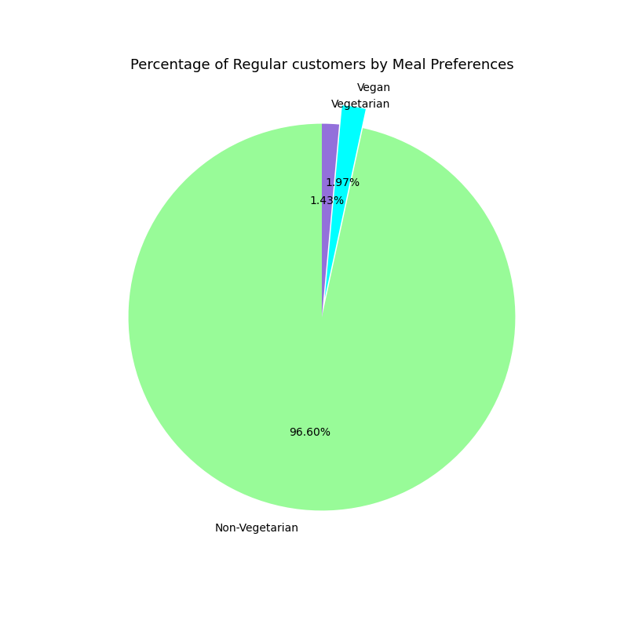

Stacked Bar Chart of Purchases by age group & department.
This bar chart illustrates that more than 96.60% of the sales are made by the Non-Vegetarian Group of Customers.
Pie Chart on the Right, supports this hypothesis.

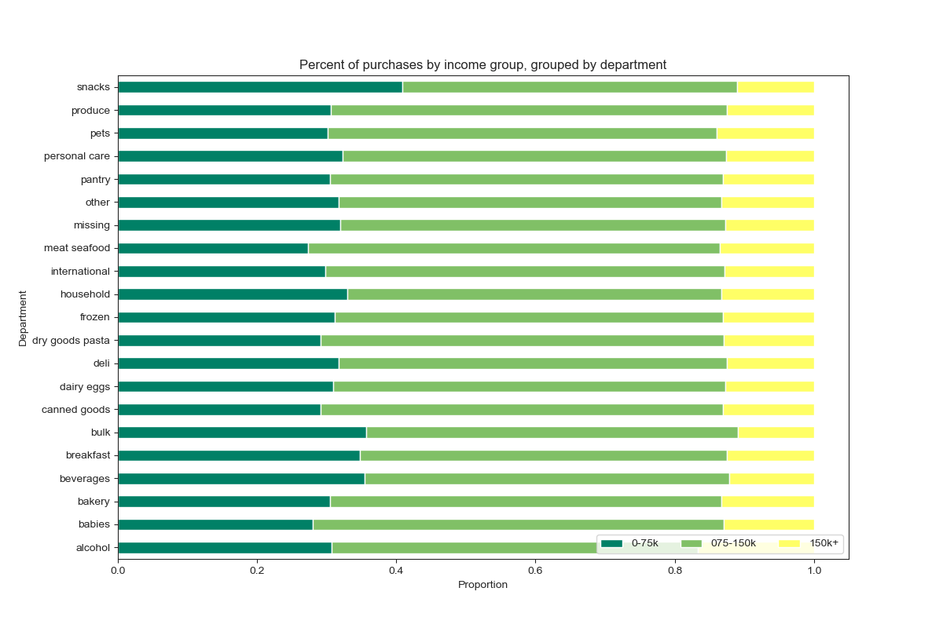

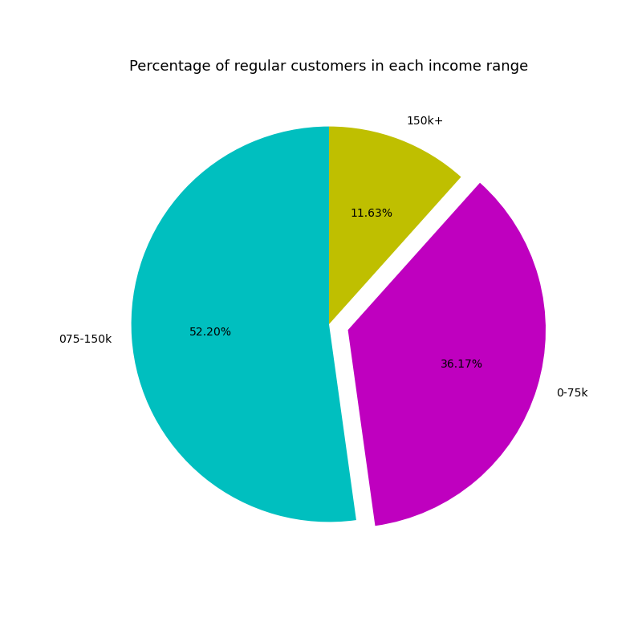
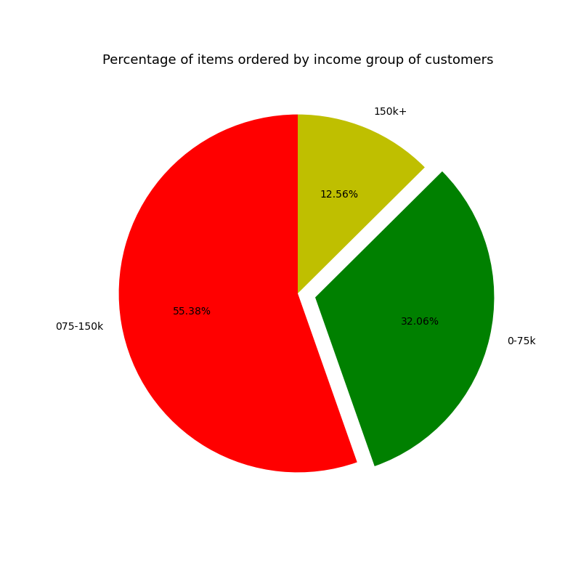
Pie chart of products bought by Instacart customers by income group
- Customers in the lowest income bracket order items 4.2% less then their proportion of the customer base.
- Customers in the middle income bracket order items 2.6% more then their proportion of the customer base.
- Customers in the highest income bracket order items 1.6% more then their proportion of the customer base.



This chart answers the question "Is the age of Instacart customers linked to their purchasing power (income)?" It shows the age of Instacart customers and their corresponding annual income.
The scatterplot shows the income in relation to customer's ages in 10 year increments. It can be seen that a majority of the customer's make below 200K whereas the income of 60+ yrs is around 600K. This can be supported by a fact that income of any individual increase with increase in its level of experience that is directly proportional to age.

7. Recommendations
 |  |  |  |  |  |  |  |  | Title page

Recommendations

In this tab you should include any recommendations you would made to Instcart in terms of their marketing strategy based on the questions posed in the brief. Every key question has been covered in the Tasks of the Exercises - here you need to add an item - a visualisation or table/crosstable that is showing the answer in the data, acompanied by a comment from you. Please, list the questions below and add the answer underneath.

Question 1:
The sales team needs to know what the busiest days of the week and hours of the day are (i.e., the days and times with the most orders) inorder to schedule ads at times when there are fewer orders.

Answer: Saturday and Sunday are the busiest day of the week whereas, Tuesday and Wednesday are comparatively slower days. It is quite a known fact that consumers genrerally go grocery shopping in weekends mostly.
 | Instacart is consistently busy from 9am to 5pm, though traffic reaches its peak between 10 and 11am and begins to decrease steadily after 3pm. There is very little traffic between 1 and 5am.

 |  | 0 | 1 | 2 | 3 | 4 | 5 | 6
 |  | Saturday | Sunday | Monday | Tuesday | Wednesday | Thursday | Friday

Recommendations: Accordingly, it is advisable for the sales team, to schedule ads on Wednesday around 3 pm when traffic starts declining.

Question 2:
Sales Team also want to know whether there are particular times of the day when people spend the most money, as this might inform the type of products they advertise at these times.

Answer: Throughout the day, customers exhibit a consistent pricing pattern when making their purchases, indicating that there are no specific time.
 | However, there is a slight decrease in spending observed from approximately 8am to 11am. Nonetheless, the overall variation in price is relatively small, with only a 10 cent decrease from the highest to the lowest point.

Recommendations: Accordingly, it is advisable for the sales team, to schedule ads for high price products early in the morning.

Question 3
Instacart has a lot of products with different price tags. Marketing and sales want to use simpler price range groupings to help direct their efforts.

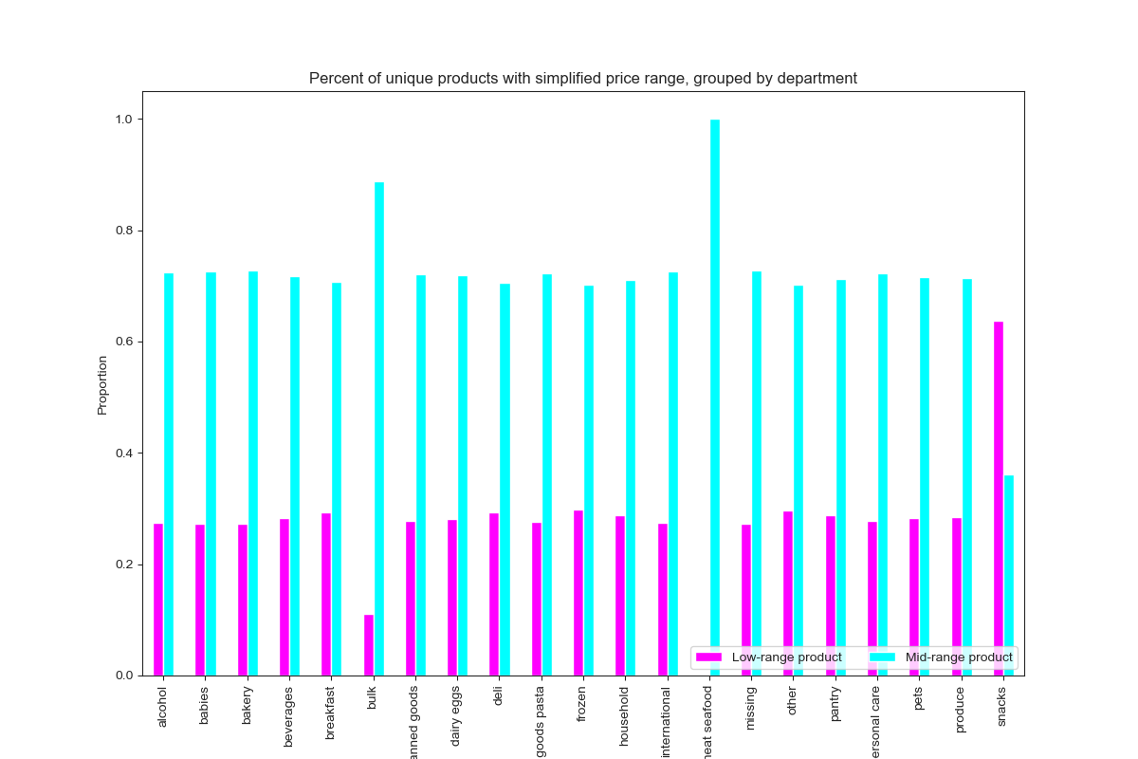
Answer: We have grouped products as price <= 5 : 'Low range product', price > 5 and <= 15 : 'Mid range product', price > 15: 'High range product'. Please see the "Column derivations" sheet (row 1) for more details.
 | The below pie chart illustrates distribution of sales based on price tags.

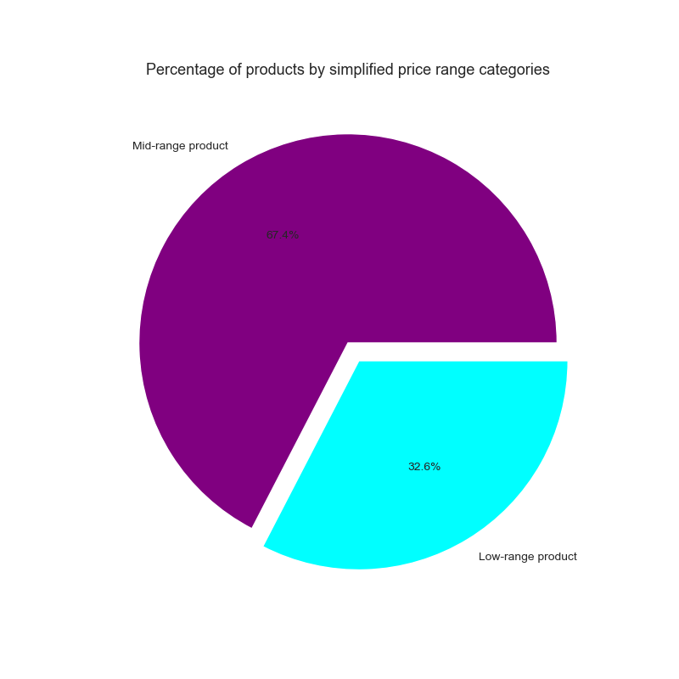

Recommendations: After analyzing the dateset it was observed that there were no sales of high range product i.e. price >15. Hence, it advisable that marketing team should promote such high range products and stock up the inventory with most selling Mid-range products to meet customers requirement at the same time.

Question 4
Are there certain types of products that are more popular than others? The marketing and sales teams want to know which departments have the highest frequency of product orders.

Answer: Customers order most frequently from the Produce, Dairy & Eggs, Snacks, Beverages, and Frozen departments.
 | Regular order mostly comes from the Pantry, Bakery, Canned Goods, Deli, and Dry Goods & Pasta departments. All of these departments each have over 2.7% of sales.
 | The Meat & Seafood department composes 2.2% of total sales however the mean price per item ordered from this department is roughly twice the value of other departments.

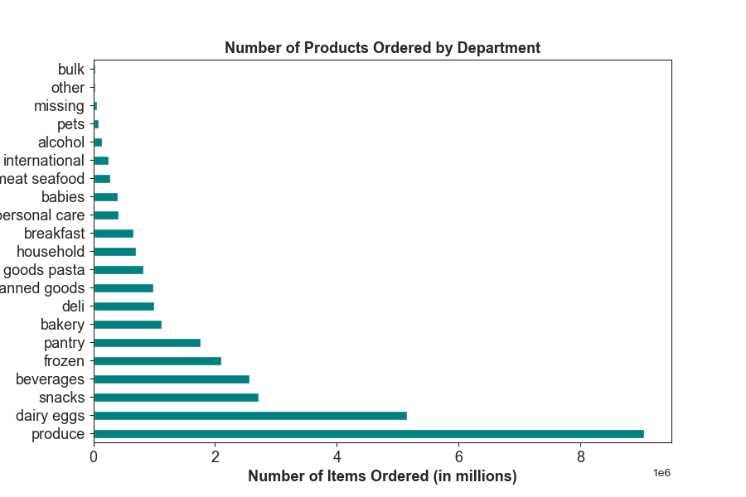

Recommendations: The Marketing and Sales team should promote and advertise more on top performing product category such as Meat, Dairy Eggs, snacks and beverages etc.

Question 5
What's the distribution among users in regards to their brand loyalty?

Answer: 11% of the regular customer base consists of loyal customers who purchase three times the percentage of items ordered through Instacart. Among the regular customer base, 47% are regular customers who account for 51% of the items ordered through Instacart. Meanwhile, new customers make up 42% of the regular customer base but only purchase 16% of the items ordered through Instacart.
 | Among the regular customer base, 47% are regular customers who account for 51% of the items ordered through Instacart. Meanwhile, new customers make up 42% of the regular customer base but only purchase 16% of the items ordered through Instacart.

Recommendations: In order to optimize their business, Instacart should prioritize customer retention and the conversion of new customers into regular customers and launch loyalty program or rewards for the loyal customers to build their trust and relations.

Question 6
Are there differences in ordering habits based on a customer's loyalty status?

Answer: Indeed, frequent customers, who typically have fewer than 10 days between orders, are predominantly loyal and regular customers. These loyal customers have placed more than 10 orders on Instacart in total.
 | On the other hand, non-frequent customers, with more than 20 days between orders, are highly likely to be new customers who have placed 10 orders or fewer in total. It appears that the frequency of ordering from Instacart correlates with long-term customer retention.

Bar chart of percentage of items ordered by loyalty_flag
Bar chart of Customers by loyalty_flag
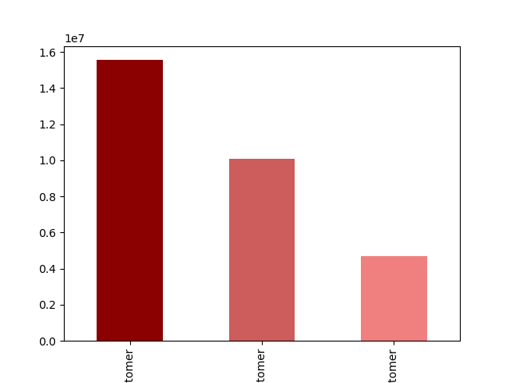
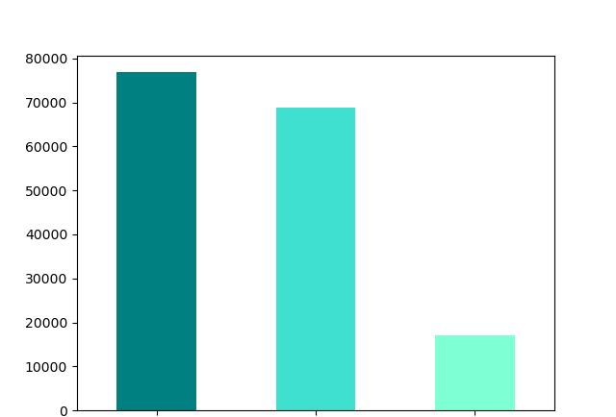

Regular Customers
New Customers
Loyal Customers
Regular Customers
Loyal Customers
New Customers

Recommendations:Based on these observations, it is recommended that Instacart explores strategies to encourage new customers to incorporate shopping at Instacart into their regular routine, thereby increasing the likelihood of them becoming long-term customers.
 |  | One approach could involve implementing an incentive structure, such as offering a discount for placing a second order within 10 days of the previous one. This way, new customers would be motivated to establish a habit of using Instacart regularly, increasing the chances of their long-term engagement with the platform.

Question 7
Are there differences in ordering habits based on a customer's region?

Answer: Customers in all regions of the United States tend to order items in nearly the same proportion as the customer base in that specific region. This indicates that customer preferences and buying habits are relatively consistent across different regions.
 | Each region has a different distribution of customer types, including Frequent, Regular, and Non-frequent customers. The West region has the highest percentage of Frequent customers, suggesting a higher rate of repeat orders.
 | The Northeast region has the highest percentage of Regular customers, indicating a consistent level of ordering. The Midwest region has the largest percentage of Non-frequent customers, suggesting a lower rate of repeat orders compared to the other regions.

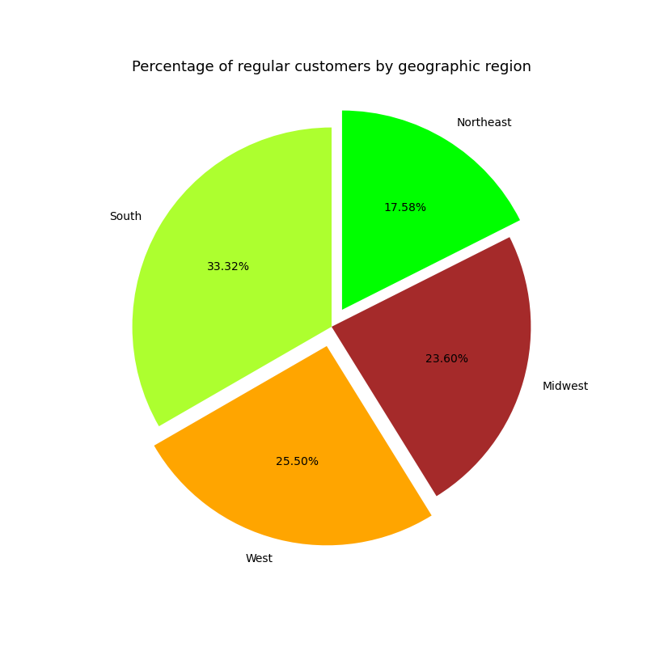

 | When analyzing orders by department, there are slight variations observed in smaller departments. However, these deviations from the regional averages are minimal, indicating that overall ordering patterns remain consistent across departments.
 | Regional ordering differences might also be more significant when products are grouped into individual items and brands rather than by department. This suggests that specific product preferences within regions could result in deviations from the overall regional averages.

Recommendations: Overall proportional ordering remains consistent across regions, there are variations in customer composition and slight deviations observed in smaller departments. Regional ordering differences become more apparent when considering smaller geographical populations and individual products/brands.
 |  | Instacart can leverage these insights to tailor marketing strategies and product offerings to specific regions and customer segments.

Question 8
Is there a connection between age and family status in terms of ordering habits?

Answer: The age of Instacart customers and the corresponding count of dependents they have were examined, and it was found that the distribution of dependents remains consistent across different age groups. There is no noticeable trend or significant variation observed.
 | This information is valuable as it implies that relying solely on a customer's age may not provide a reliable estimate of their grocery expenditure based on the number of dependents they have. Additional factors or variables should be taken into account when attempting to predict or understand a customer's spending patterns.

Sales Distribution as per Age Group: age < 40 = Young Adult, 40 - 64 = Middle-Aged, 65 >= Senior

Recommendations: By implementing a targeted marketing strategy that focuses on personalization, engaging content, and building customer loyalty, you can effectively reach and retain young adults and middle-aged customers who are regular buyers, contributing significantly to your total customer base.

Question 9
What different classifications does the demographic information suggest?

Answer: To understand different classification based on demographic information various combinations are to be assesed jointly. Lets understand with the below visualizations.
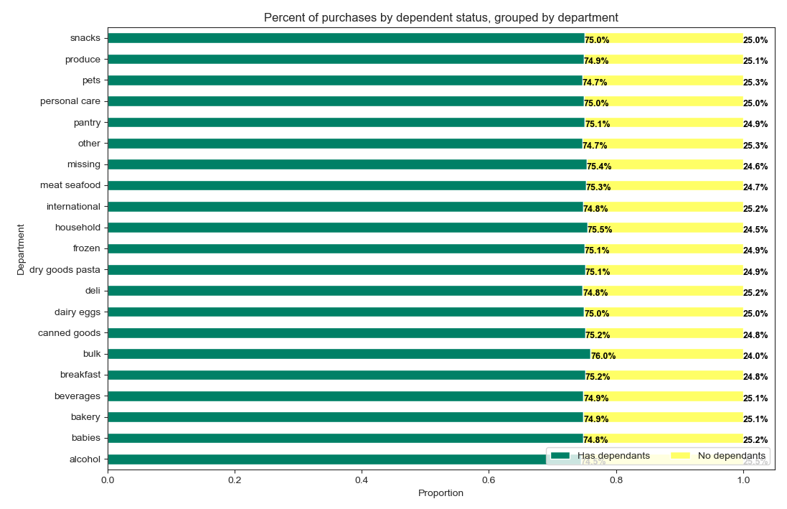
Young Adult and Middle-aged are Regular Buyers and comprises 3/4th of Total Customers.
- The most notable differences in order history is families with dependants buy more from the Bulk and Household departments while Single Adults purchase more items from the Alcohol deparment.
- As the differneces are minor, there are no recommendations for department based on this customer profile.

The scatterplot shows the income in relation to customer's ages in 10 year increments. It can be seen that a majority of the customer's make below 200K whereas the income of 60+ yrs is around 600K. This can be supported by a fact that income of any individual increase with increase in its level of experience that is directly proportional to age.

- Customers in the lowest income bracket order items 4.2% less then their proportion of the customer base.
- Customers in the middle income bracket order items 2.6% more then their proportion of the customer base.
- Customers in the highest income bracket order items 1.6% more then their proportion of the customer base increase with increase in its level of experience that is directly proportional to age.

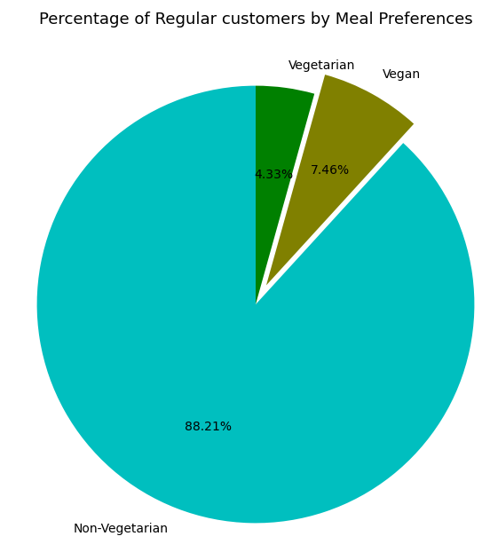

Approximately more than 96% of the sales are made by the Non-Vegetarian Group of Customers.
Non-Vegetarian Group of Customers are Regular Consumers at Instacart.

Recommendations: After analyzing data on region, age, family status, and income, I did not notice any discernable trend. The only major trends I was able to discover had to do with diet preferences, though this is not exactly a demographic issue.
 |  | The analysis reveals that product purchases by Vegans represent only a fraction of the Vegan customer base, while Vegetarians make slightly fewer purchases compared to the percentage of Vegetarian customers. Additionally, if evenly distributed across income groups, both Vegans and Vegetarians are not categorized as frequent or regular customers of Instacart.

